Use_Case
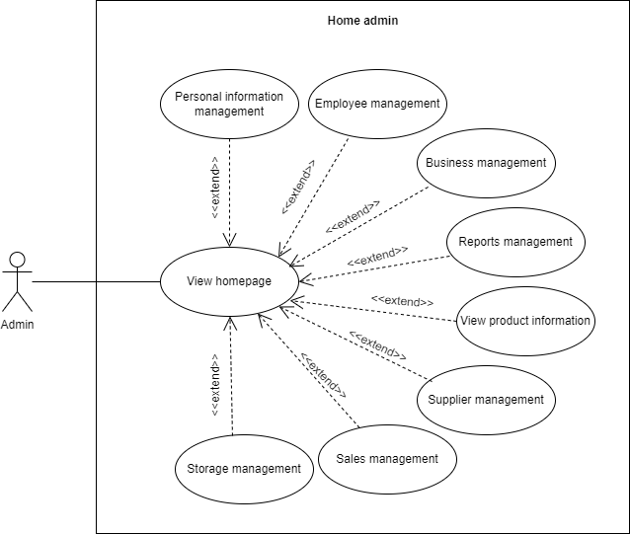
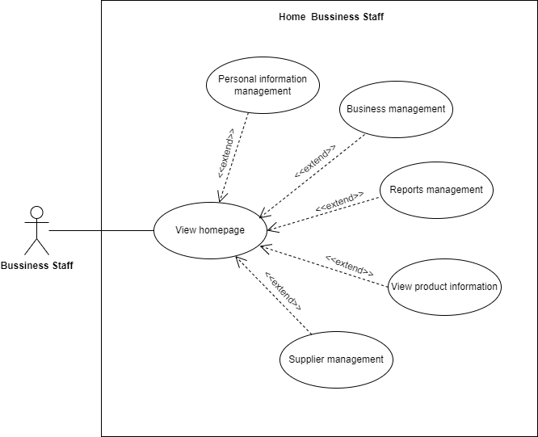
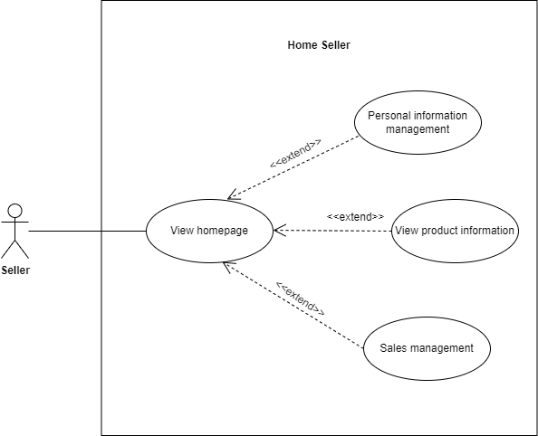
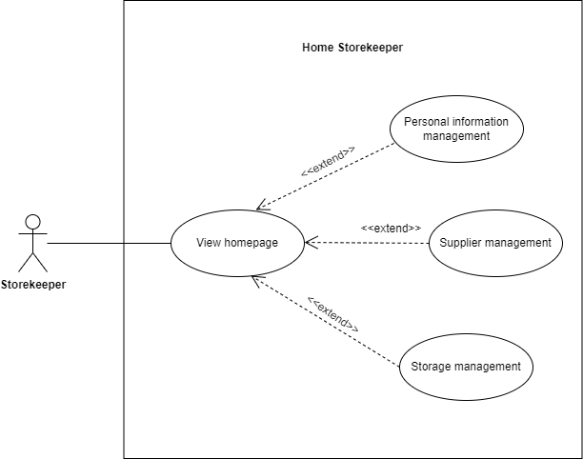
6.1.1 Header, 6.1.2 Body, 6.1.3 Footer

Class_Diagram
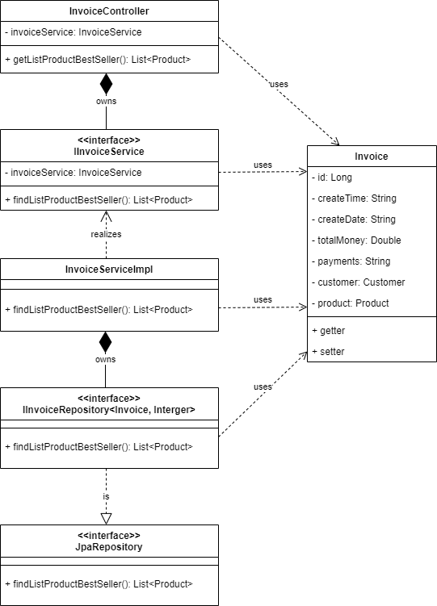
6.1.1 Header, 6.1.2 Body, 6.1.3 Footer

Sequence_Diagram
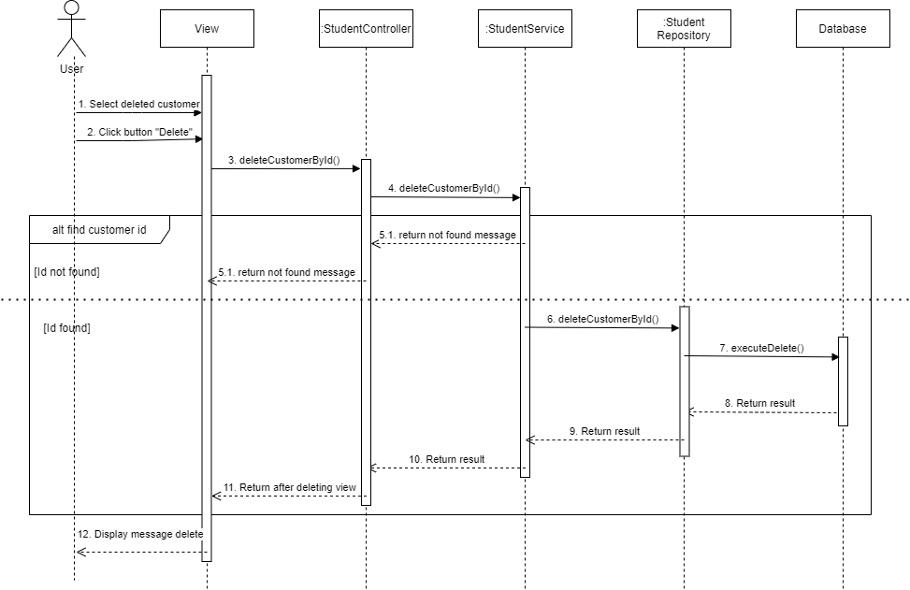
6.1.1 Header, 6.1.2 Body, 6.1.3 Footer

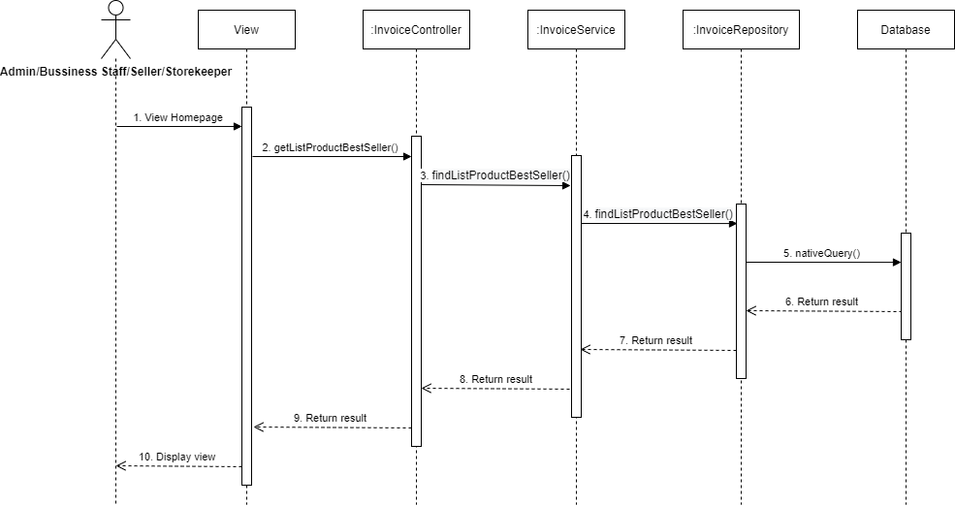

6.3.1.2 Màn hình xóa khách hàng

